BOM
 |  |  |  |  | 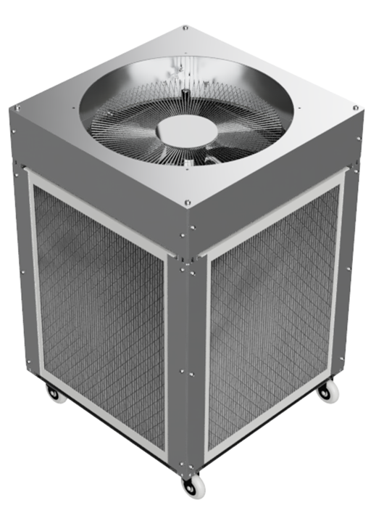 |  |  |  |  |  | 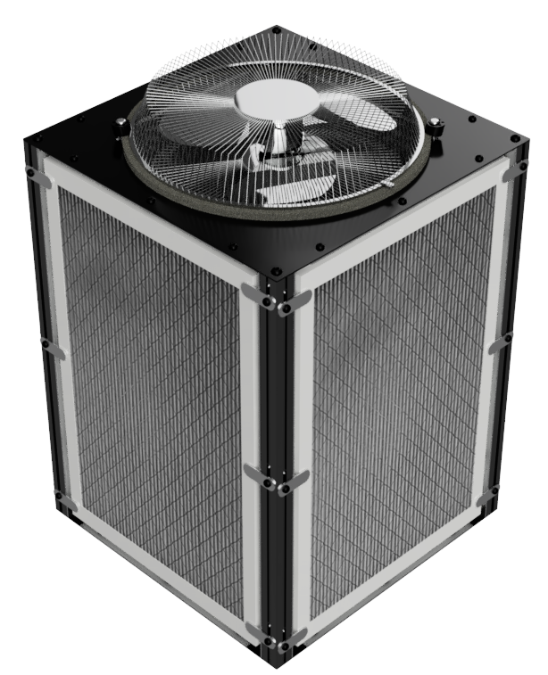

 |  | Cart / Box |  |  | Cart | Cart | Cart | Cart | Box | Box | Box | Box
 |  | Fan |  |  | 18 Inch (45cm) Cage Fan | 18 Inch (45cm) Cage Fan | 14 Inch (35cm) Cage Fan | 20 Inch (50cm) Box Fan | 18 Inch (45cm) Cage Fan | 18 Inch (45cm) Cage Fan | 14 Inch (35cm) Cage Fan | 20 Inch (50cm) Box Fan
 |  | Default Filter Size |  |  | 20x25x1 Inch | 20x24x1 Inch / 490x592mm | 16x25x1 Inch | 20x20x1 Inch | 20x25x1 Inch | 20x24x1 Inch | 16x25x1 Inch / 490x592mm | 20x20x1 Inch
 | QTY |  | QTY per sub assembly | Total quantity required
Fan Mount Assembly | 1 | Fan Top Plate | 1 | 1 | AC2_C_18CFTP_20HZ | AC2_C_18CFTP_20HZ | AC2_C_14CFTP_16HZ | AC2_C_20BXFTP_20HZ | N/A | N/A | N/A | N/A
Fan Mount Assembly | 1 | Fan Enclosure Plate | 4 | 4 | AC2_C_FEP_20HZ | AC2_C_FEP_20HZ | AC2_C_FEP_16HZ | N/A | N/A | N/A | N/A | N/A
Fan Mount Assembly | 1 | Fan Bottom Plate | 1 | 1 | AC2_C_18CFBP_20HZ | AC2_C_18CFBP_20HZ | AC2_C_14CFBP_16HZ | AC2_C_20BXFBP_20HZ | AC2_B_18CFBP_20HZ | AC2_B_18CFBP_20HZ | AC2_B_14CFBP_16HZ | AC2_B_18CFBP_20HZ
Fan Mount Assembly | 1 | Fan anti vibration mount | 1 | 1 | 12x10mm closed cell foam | 12x10mm closed cell foam | 12x10mm closed cell foam | 12x10mm closed cell foam | 12x10mm closed cell foam | 12x10mm closed cell foam | 12x10mm closed cell foam | 12x10mm closed cell foam
Fan Mount Assembly | 1 | Equal angle Horizontal | 4 | 4 | AC2_C_EA_20HZ | AC2_C_EA_20HZ | AC2_C_EA_16HZ | AC2_C_EA_20HZ | AC2_C_EA_20HZ | AC2_C_EA_20HZ | AC2_C_EA_16HZ | AC2_C_EA_20HZ
Fan Mount Assembly | 1 | Filter compression seal | 4 | 4 | 12x10mm closed cell foam | 12x10mm closed cell foam | 12x10mm closed cell foam | 12x10mm closed cell foam | 12x10mm closed cell foam | 12x10mm closed cell foam | 12x10mm closed cell foam | 12x10mm closed cell foam

Corner Assembly | 4 | Corner pillar | 1 | 4 | AC2_C_TST_25VT | AC2_C_TST_24VT | AC2_C_TST_25VT | AC2_C_TST_20VT | AC2_B_TST_25VT | AC2_B_TST_24VT | AC2_B_TST_25VT | AC2_B_TST_20VT
Corner Assembly | 4 | Equal angle vertical | 2 | 8 | AC2_C_EA_25VT | AC2_C_EA_24VT | AC2_C_EA_25VT | AC2_C_EA_20VT | AC2_C_EA_25VT | AC2_C_EA_24VT | AC2_C_EA_25VT | AC2_C_EA_20VT
Corner Assembly | 4 | Filter compression seal | 4 | 4 | 12x10mm closed cell foam | 12x10mm closed cell foam | 12x10mm closed cell foam | 12x10mm closed cell foam | 12x10mm closed cell foam | 12x10mm closed cell foam | 12x10mm closed cell foam | 12x10mm closed cell foam
Corner Assembly | 4 | Filter clamp | 2 | 8 | AC2_C_FCP_25VT | AC2_C_FCP_24VT | AC2_C_FCP_25VT | AC2_C_FCP_20VT | AC2_B_FCT | AC2_B_FCT | AC2_B_FCT | AC2_B_FCT
Corner Assembly | 4 | Corner bracket | 1 | 4 | 3030 slotted inside corner brace | 3030 slotted inside corner brace | 3030 slotted inside corner brace | 3030 slotted inside corner brace | N/A | N/A | N/A | N/A

Base plate assembly | 1 | Base Plate | 1 | 1 | AC2_C_BP_20HZ | AC2_C_BP_20HZ | AC2_C_BP_16HZ | AC2_C_BP_20HZ | AC2_B_BP_20HZ | AC2_B_BP_20HZ | AC2_B_BP_16HZ | AC2_B_BP_20HZ
Base plate assembly | 1 | Wheels | 4 | 4 | M10 trolley castor | M10 trolley castor | M10 trolley castor | M10 trolley castor | N/A | N/A | N/A | N/A
Base plate assembly | 1 | Cable Gland | 1 | 1 | PG9 Nylon Locknut Cable Gland | PG9 Nylon Locknut Cable Gland | PG9 Nylon Locknut Cable Gland | PG9 Nylon Locknut Cable Gland | N/A | N/A | N/A | N/A
Base plate assembly | 1 | Equal angle Horizontal | 4 | 4 | AC2_C_EA_20HZ | AC2_C_EA_20HZ | AC2_C_EA_16HZ | AC2_C_EA_20HZ | AC2_C_EA_20HZ | AC2_C_EA_20HZ | AC2_C_EA_16HZ | AC2_C_EA_20HZ
Base plate assembly | 1 | Filter compression seal | 4 | 4 | 12x10mm closed cell foam | 12x10mm closed cell foam | 12x10mm closed cell foam | 12x10mm closed cell foam | 12x10mm closed cell foam | 12x10mm closed cell foam | 12x10mm closed cell foam | 12x10mm closed cell foam

Fan Bottom plate | 1 | M6x12 bolt* + washer + nut |  |  | 16 | 16 | 16 | 16 | 12 | 12 | 12 | 12
Base plate assembly | 1 | M6x12 bolt* + washer + nut |  |  | 12 | 12 | 12 | 12 | 12 | 12 | 12 | 12
 |  | **Adjust as necessary depending on plate material thickness |  | Total M6x12 | 28 | 28 | 28 | 28 | 24 | 24 | 24 | 24

Fan Enclosure plates | 4 | M6x25 bolt** |  |  | 2 | 2 | 2 | 0 | 0 | 0 | 0 | 0
Corner Assembly | 4 | M6x25 bolt** |  |  | 13 | 13 | 13 | 11 | 12 | 12 | 12 | 10
 |  | **If using T-slot nuts instead of threaded 3030, replace with M6x10 |  | Total M6x25 | 60 | 60 | 60 | 44 | 48 | 48 | 48 | 40

Base plate assembly | 1 | M8x15 bolt |  |  | 4 | 4 | 4 | 4 | 4 | 4 | 4 | 4
Fan Top plate | 1 | M8x15 bolt |  |  | 4 | 4 | 4 | 4 | 4 | 4 | 4 | 4
 |  |  |  | Total M8x15 | 8 | 8 | 8 | 8 | 8 | 8 | 8 | 8

